Index
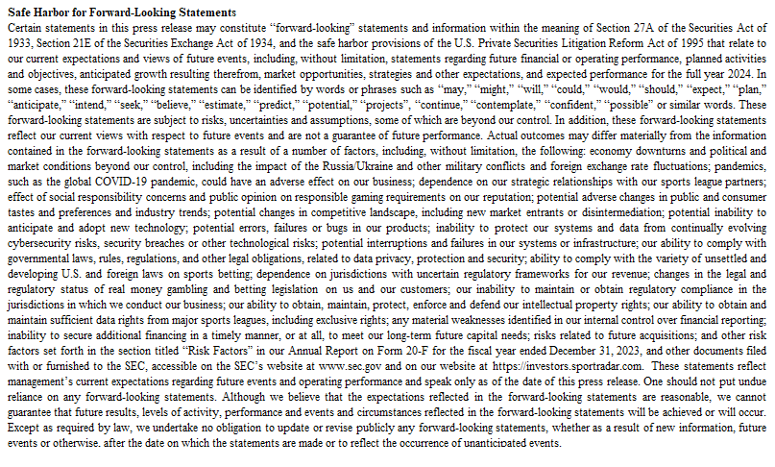
Revenue Groupings
Topic | Tab
Quarterly New Revenue Groupings and Key Financial Information | 1

Historical Trending Schedules (previously reported)
Topic | Tab
Quarterly Consoldiated Statements of Profit or Loss | 2
Quarterly Statements of Financial Position | 3
Annual Statements of Cash Flows | 4
Quarterly Reconciliations to Profit/Loss (IFRS) to Adjusted EBITDA (Non-IFRS) | 5

Non-IFRS Financial Measures
We have provided in this document information that has not been prepared in accordance with IFRS, including Adjusted EBITDA and Adjusted EBITDA margin. We use these non-IFRS financial measures internally in analyzing our financial results and believe they are useful to investors, as a supplement to IFRS measures, in evaluating our ongoing operational performance. We believe that the use of these non-IFRS financial measures provides an additional tool for investors to use in evaluating ongoing operating results and trends and in comparing our financial results with other companies in our industry, many of which present similar non-IFRS financial measures to investors.

Non-IFRS financial measures should not be considered in isolation from, or as a substitute for, financial information prepared in accordance with IFRS. Investors are encouraged to review the reconciliation of these non-IFRS financial measures to their most directly comparable IFRS financial measures provided in the financial statement tables included below in this press release.
· “Adjusted EBITDA” represents earnings for the period from continuing operations adjusted for finance income and finance costs, income tax expense or benefit, depreciation and amortization (excluding amortization of sport rights), foreign currency gains or losses, and other items that are non-recurring or not related to the Company’s revenue-generating operations, including share-based compensation, impairment charges or income, management restructuring costs, non-routine litigation costs, losses related to equity-accounted investee (SportTech AG), remeasurement of previously held equity-accounted investee (NSoft), professional fees for the Sarbanes Oxley Act of 2002 and enterprise resource planning implementations, and a one-time charitable donation for Ukrainian relief activities.
License fees relating to sport rights are a key component of how we generate revenue and one of our main operating expenses. Such license fees are presented either under purchased services and licenses or under depreciation and amortization, depending on the accounting treatment of each relevant license. Only licenses that meet the recognition criteria of IAS 38 are capitalized. The primary distinction for whether a license is capitalized or not capitalized is the contracted length of the applicable license. Therefore, the type of license we enter into can have a significant impact on our results of operations depending on whether we are able to capitalize the relevant license. Our presentation of Adjusted EBITDA removes this difference in classification by decreasing our EBITDA by our amortization of sport rights. As such, our presentation of Adjusted EBITDA reflects the full costs of our sport right's licenses. Management believes that, by deducting the full amount of amortization of sport rights in its calculation of Adjusted EBITDA, the result is a financial metric that is both more meaningful and comparable for management and our investors while also being more indicative of our ongoing operating performance.
We present Adjusted EBITDA because management believes that some items excluded are non-recurring in nature and this information is relevant in evaluating the results relative to other entities that operate in the same industry. Management believes Adjusted EBITDA is useful to investors for evaluating Sportradar’s operating performance against competitors, which commonly disclose similar performance measures. However, Sportradar’s calculation of Adjusted EBITDA may not be comparable to other similarly titled performance measures of other companies. Adjusted EBITDA is not intended to be a substitute for any IFRS financial measure.
Items excluded from Adjusted EBITDA include significant components in understanding and assessing financial performance. Adjusted EBITDA has limitations as an analytical tool and should not be considered in isolation, or as an alternative to, or a substitute for, profit for the period, revenue or other financial statement data presented in our consolidated financial statements as indicators of financial performance. We compensate for these limitations by relying primarily on our IFRS results and using Adjusted EBITDA only as a supplemental measure.
· “Adjusted EBITDA margin” is the ratio of Adjusted EBITDA to revenue.

The Company is unable to provide a reconciliation of Adjusted EBITDA to profit (loss) for the period, its most directly comparable IFRS financial measure, on a forward- looking basis without unreasonable effort because items that impact this IFRS financial measure are not within the Company’s control and/or cannot be reasonably predicted. These items may include but are not limited to foreign exchange gains and losses. Such information may have a significant, and potentially unpredictable, impact on the Company’s future financial results.

Safe Harbor for Forward-Looking Statements
Certain statements in this press release may constitute “forward-looking” statements and information within the meaning of Section 27A of the Securities Act of 1933, Section 21E of the Securities Exchange Act of 1934, and the safe harbor provisions of the U.S. Private Securities Litigation Reform Act of 1995 that relate to our current expectations and views of future events, including, without limitation, statements regarding future financial or operating performance, planned activities and objectives, anticipated growth resulting therefrom, market opportunities, strategies and other expectations, and expected performance for the full year 2024. In some cases, these forward-looking statements can be identified by words or phrases such as “may,” “might,” “will,” “could,” “would,” “should,” “expect,” “plan,” “anticipate,” “intend,” “seek,” “believe,” “estimate,” “predict,” “potential,” “projects”, “continue,” “contemplate,” “confident,” “possible” or similar words. These forward-looking statements are subject to risks, uncertainties and assumptions, some of which are beyond our control. In addition, these forward-looking statements reflect our current views with respect to future events and are not a guarantee of future performance. Actual outcomes may differ materially from the information contained in the forward-looking statements as a result of a number of factors, including, without limitation, the following: economy downturns and political and market conditions beyond our control, including the impact of the Russia/Ukraine and other military conflicts and foreign exchange rate fluctuations; pandemics, such as the global COVID-19 pandemic, could have an adverse effect on our business; dependence on our strategic relationships with our sports league partners; effect of social responsibility concerns and public opinion on responsible gaming requirements on our reputation; potential adverse changes in public and consumer tastes and preferences and industry trends; p

Revenue Groupings
Revenue Groupings
Tab 1 Provides New Revenue Product Groupings by Quarter, Revenue by Region and Other Key Financial Information Since 2021

Historical Trending Schedules
Historical Trending Schedules
Tabs 2 through 5 provide historical financial statements as previously reported

